4-Cell design
Description of the layout: enclosures, walkways, water points.

Project location | 0
Land Area (ha): | 0

Drop* here images or photos or farm plan
*: See the minimum elements required on the next page.
Currently |  | Project
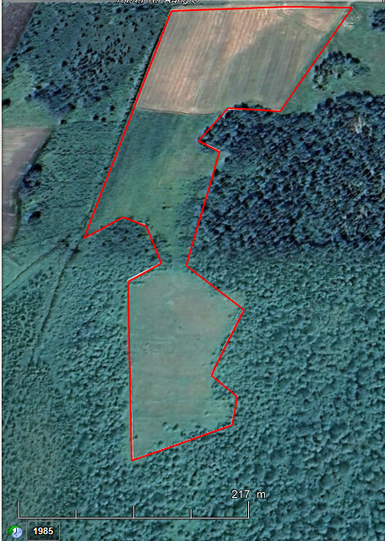

Elements required in photos or images or farm plan

Ladder
Infrastructure legend and locations |  | Permanent and semi-permanent fences
 |  | # paddocks
 |  | Examples of bands if applicable
 |  | Water points
 |  | Source of water supply
 |  | Waterlines

Indicate all the reasons why you chose this type of development/management for this project.

Fences
Length of outer fence (m)
Length of aisle fences and around water points (m)
Length of subdivision/strip fences (m)

Water supply
Hose Length 1.5 in (m)
Hose Length 1 in (m)
0.75” hose length
Length of pipe to be buried (m)

